Table 1

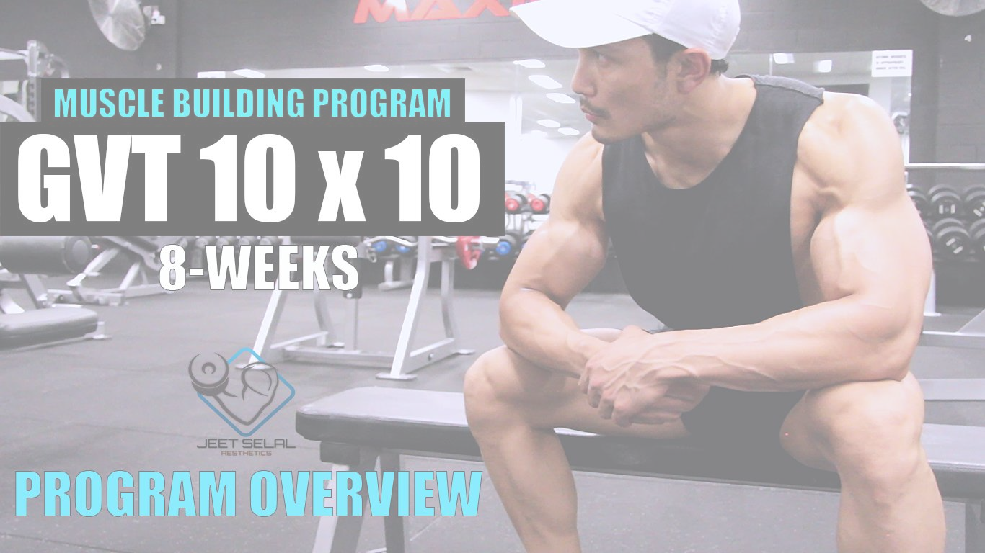
NUTRION OVERVIEW
LIST OF FOODS & FLUIDS
PROTEIN CHICKEN/TURKEY BREASTS LEAN LAMB/GOAT FISH (TUNA, SALMON, BASA) COTTAGE CHEESE (CASEIN) RICOTTA CHEESE (WHEY) LOW-FAT PANEER MILK- LOW FAT EGG WHITES WHOLE EGGS GREEK YOGURT

SOY CHUNKS/TOFU LEGUMES
Note: Pick your protein sources out of the given foods according to your dietary
requirements, you don’t need to have all of them.
CARBOHYDRATES OATS BROWN RICE QUINOA RAW OR COOKED VEGETABLES SWEET POTATOES WHOLE WHEAT OR MULTIGRAIN BREAD ROTI LEGUMES FRUITS
Note: Pick your carbohydrate sources out of the given foods according to your dietary
requirements, you don’t need to have all of them.
FATS OLIVE OIL NUTS & SEEDS PEANUT BUTTER FATTY FISH WHOLE EGGS
FLUIDS WATER COCONUT WATER BLACK COFFEE GREEN TEA
Macro setup (Process of Calculating Macros for individuals)
Start your DAY 1 with “Maintenance calories in 10 surplus” i.e M. calories+ 10 of M. calories
To Find out Maintenance calories use the “Calorie Calculator” (Find the link in
DESCRIPTION BOX).
: If “YOUR”
For example Maintenance Calories in 10 surplus comes= 2500 kcal then,
Week 1 = 2500 kcal is your starting point (calorie limit).
NOW, Finding your daily PROTEIN-CARBS-FATS, FOR MALES EXAMPLE: PROTEIN= 1.2grams * (per pound body weight) CARBOHYDRATES= 1.9grams * (per pound body weight) FOR EXAMPLE, A MALE with A CALORIE limit = 2500kcal and BODY WEIGHT: 73kg (160 lbs). So, PROTEIN= 1.2 * 160 (per pound body weight) = 176grams = 786kcal {Since, 1gm protein= 4kcal}
CARBOHYDRATES= 1.9 * 160 (per pound body weight) = 304 grams = 1216kcal {Since, 1gm carb= 4kcal} FATS = 2500- (786+1216) = 516kcal = 57grams {Since, 1gm fat= 9kcal} Macro Split according to 2500kcal [192Protein/304Carbs/57Fats] STARTING POINT.
SIMILARLY, FOR FEMALES EXAMPLE: PROTEIN= 0.9 grams * (per pound body weight) CARBOHYDRATES= 1.5grams * (per pound body weight) FOR EXAMPLE, A FEMALE with A CALORIE limit = 2000kcal and BODY WEIGHT: 50kg (110 lbs). So, PROTEIN= 0.9 * 110 (per pound body weight) = 99grams = 396kcal {Since, 1gm protein= 4kcal} CARBOHYDRATES= 1.8 * 110 (per pound body weight) = 198 grams = 792kcal {Since, 1gm carb= 4kcal} FATS = 2500- (396+792) = 812kcal = 90grams {Since, 1gm fat= 9kcal} Macro Split according to 2000kcal [99Protein/198Carbs/90Fats] STARTING POINT. Find YOUR macro split according to your WEIGHT HEIGHT and AGE.
CHANGE IN MACROS CONSUMPTION AFTER WEEK 1,
Increase your CARBS INTAKE BY 10 only if your weight is not going up. Keep a close look at your strength and muscle mass progress by measuring weight every week and by taking lots of pictures every week. If the weight is going up every week with minimum amount of body fat gain, we are on track. If the weight is not going up then its time to increase your carbs intake by 10 and see how it goes!
WATER INTAKE It will depend on your activity level, lifestyle, work environment and weather. The amount of water intake will vary from 3-6 litters or even more, again there is no fix number for it, REMEMBER keep yourself hydrated throughout the day and while training.
SUPPLEMENT STACK | SUPPLEMENTATION
Multivitamins (ANY BRAND) Fish Oils (ANY BRAND) Glucosamine (ANY BRAND) Whey protein (Concentrate OR Blend) [ANY BRAND]. Creatine mono hydrate [ANY BRAND].
CHANGE IN SUPPLEMENT CONSUMPTION NON-TRAINING DAYS- NO PRE-WORKOUT and NO POST WORKOUT DRINKS.
MEAL RECIEPIES ( NON-VEG & VEG)
NOTE: Quantity of ingredients will depend on your Macro split and calorie limit. This is an
example.
You can check Meal videos of Absolute Muscle Program for the preparation method. Meal timing can also vary according to your individual lifestyle so do not panic after seeing Oat meal 7am OMG! Let me comment and ask what can I do.. You need to use common sense and mould this diet plan according to your suitable
timings of workout, work and sleep patterns. Just keep at least 2-3 hours gap between each meal.
MEAL 1- Oat meal (7-8 am) -60g Oats -10g cashews + 10g walnuts or almonds -WHEY ISOLATE PROTEIN 1scoop -Half apple OR half banana -40 g blue berries or Rash berries or Grapes -Sprinkle cinnamon -1tb spoon peanut butter (100 Natural) - MULTIVITAN +FISH OIL 1 capsule each.
MEAL 2- Spinach Omelette (11-12 noon) -Omelette (1 whole +5 EGG white) OR VEGITARIAN CAN ADD 150g low fat paneer -1 CUP Spinach -Chopped onions 2 spoon -Whole wheat/meal bread 2 slice -Half orange Or Pineapple 100g
-Green Tea 1 bag
MEAL 3- Fried Rice (2-3pm) -120g Brown Rice (COOKED) -3 eggs (1 whole+ 2 whites) [VEG DO NOT ADD EEGS] -1tb SPOON pasta Sauce OR Raw Tomato chutni (less salt) Or Barbeque sauce (no sugar) -120g Chicken breast OR VEGITARIAN CAN ADD Soya chunks or Tofu OR LOW FAT PANNER (Add BROCOLI, bell pepper and onions on fried rice) -Ginger, Garlic and green chillies..
MEAL 4- Rice cake snack (4:30- 5pm) -3 rice cakes or 1 slice whole wheat bread -60g low fat high protein yogurt PRE-WORKOUT DRINK, INTRA WORKOUT & POST WORKOUT DRINK Pre-workout (5:30 pm) Coffee 1 cup black
……………. WORKOUT………………… (evening 6-7:30 pm)
Post workout (7:30) -5g creatine monohydrate (Female only 2.5g) -1 scoop whey Blend or concentrate protein.
Note: If you work out in MORNING then, Have MEAL 1 at least 1 hour before your workout
and take your pre workout with it.
MEAL 5- Panner Bhurji wrap (8:30- 9 pm) -1 Roti or Wrap (whole wheat) -200g Low fat Paneer OR White Fish 200g -50g Black Beans OR Black Channa -Chopped onions 2 spoons -cumin/jeera (5g) -Chopped tomato 2 spoons -Cucumber and Lettuce (or Cabbage)
NOTE: Quantity of ingredients will depend on your Macro split and calorie limit. This is an
example.
You can check Meal videos of Absolute Muscle Program for the preparation method. Meal timing can also vary according to your individual lifestyle so do not panic after seeing Oat meal 7am OMG! Let me comment and ask what can I do.. You need to use common sense and mould this diet plan according to your suitable timings of workout, work and sleep patterns. Just keep at least 2-3 hours gap between each meal.

